FOI
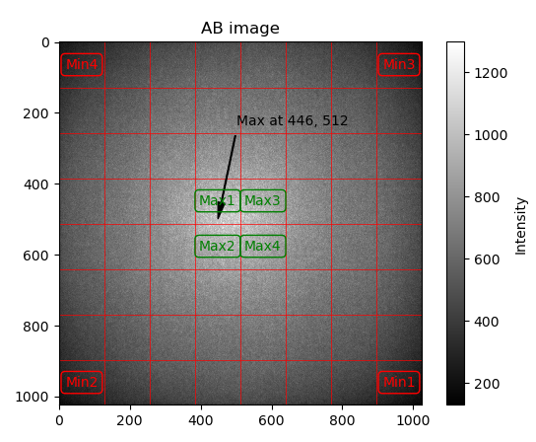
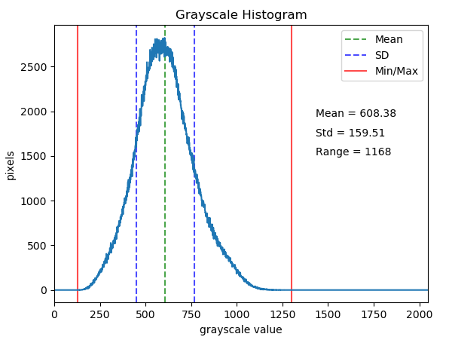
 | Value | Pass/Fail | Min | Max | Comment
4Brightest distance from center |  | TBD | None | TBD
4 darkest distance from corners |  | TBD | None | TBD
Optical centerX |  | TBD | TBD | TBD
Optical centerY |  | TBD | TBD | TBD
AB Mean |  | TBD | TBD | TBD
AB Std dev |  | TBD | TBD | TBD
AB min |  | TBD | TBD | TBD
AB max |  | TBD | TBD | TBD
Rise 10to90 X |  | TBD | TBD | TBD | Check illumination profile is similar to expected
Peak/center X |  | TBD | TBD | TBD | Check center of illumination profile is near center of image
Rise 10to90 Y |  | TBD | TBD | TBD
Peak/center Y |  | TBD | TBD | TBD
Rise 10to90 D1 |  | TBD | TBD | TBD
Peak/center D1 |  | TBD | TBD | TBD
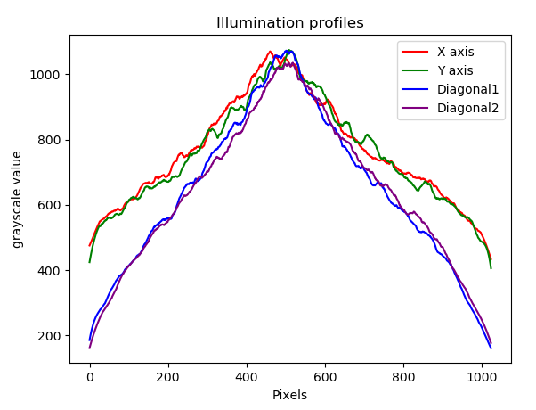
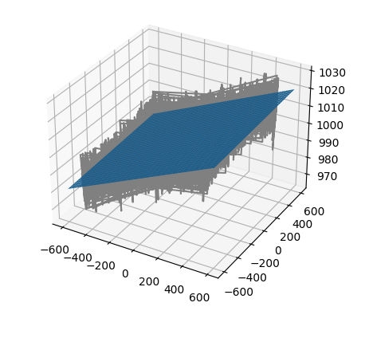
Rise 10to90 D2 |  | TBD | TBD | TBD
Peak/center D2 |  | TBD | TBD | TBD
TBD |  | TBD | TBD | TBD | Other eye safety check methods in development
rms_error | 1.4679413771 | PASSED | 0.1 | 2.1 | Set tighter limits for Crosby at 0.7m
plane_dist | 1000.2884735 | PASSED | 950 | 1050 | Set tighter limits for Crosby at 0.7m
AB | Results\verify_AB.png | No Limit
Rad_depth | Results\verify_RadialDepth.png | No Limit
Z_depth | Results\verify_ZDepth.png | No Limit
XYZ | Results\fitted_plane.png | No Limit

Final Depth
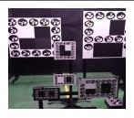
 | Value | Pass/Fail | Min | Max | Comment
Depth error 0.4m 3Freq MP R1 |  | TBD | TBD | TBD | e.g. For 2 reflectivities - R1 = 15%, R2 = 85%
Depth error 0.4m 3Freq MP R2 |  | TBD | TBD | TBD
Depth error 3m 3Freq MP R1 |  | TBD | TBD | TBD | Other target distances TBD
Depth error 3m 3Freq MP R2 |  | TBD | TBD | TBD
Depth error 0.4m 2Freq MP R1 |  | TBD | TBD | TBD
Depth error 0.4m 2Freq MP R2 |  | TBD | TBD | TBD
Depth error 1m 2Freq MP R1 |  | TBD | TBD | TBD
Depth error 1m 2Freq MP R2 |  | TBD | TBD | TBD
Depth error 0.4m 3Freq QMP R1 |  | TBD | TBD | TBD
Depth error 0.4m 3Freq QMP R2 |  | TBD | TBD | TBD
Depth error 3m 3Freq QMP R1 |  | TBD | TBD | TBD
Depth error 3m 3Freq QMP R2 |  | TBD | TBD | TBD
Depth error 0.4m 2Freq QMP R1 |  | TBD | TBD | TBD
Depth error 0.4m 2Freq QMP R2 |  | TBD | TBD | TBD
Depth error 1m 2Freq QMP R1 |  | TBD | TBD | TBD
Depth error 1m 2Freq QMP R2 |  | TBD | TBD | TBD
Depth noise |  | TBD | TBD | TBD | Measure depth noise at all test conditions also
Photodetector check |  | TBD | TBD | TBD

